1. Title Page
[Instacart Basket Analysis]

Project Name: Instacart Basket Analysis
Date: 22-01-2023
Analyst Name: Keerthana Sampath Kumar

Contents:
Population Flow
Consistency checks
Wrangling steps
Column derivations
Visualizations
Recommendations

2. Population Flow
Title page

Population flow

Exclusion flag
Condition: max_order < 5
Obervations to be removed:
Final total count of order_products_all: 32406041 , 31

Orders_products_combined
Orders_products_merged
Orders_products_all

Total: 32406041, 33
Total: 32434489 , 11
Total: 32406041 , 24

1.) The grey boxes in the first row of the population flow represent the original data sets as they were when you downloaded them. In the Total fields you need to add the count of the rows when you imported the data set into Jupyter.
2.) The second row of boxes (coloured) represents the data sets after you manipulated them, e.g., removed missing values and duplicates. In the Total fields you need to add the count of the rows after conducting these operations. This offers a visual oveview of how the data flows throughout the data consistency checks.
3.) The third row, where also the arrows are coloured, represents the merges you performed between the datasets. In the Total fields you need to add the count of the rows in the merged datasets, so that you end up with the final dataset (in the red box). Keep in mind the final dataset should be without exclusions (based on the exclusion flag).

3. Consistency checks
 |  |  |  | Title page
Consistency checks

Dataset | Missing values | Missing values treatment | Duplicates
orders | days_since_prior_order column had 206209 missing values | Keep - assuming the missing values are indications for new customers with no existing previous transactional activities of orders. Created a "new_customer" column with values Yes/No to differentiate old/new customers. | Not found
products | product_name column had 16 missing values | Eliminated the 16 values using subset | 5 duplicate values were found which were cleared
orders_products_prior | N/A | N/A | Not found
customers | first_name column has 11259 missing values | First Names are missing which will not impact analysis for any data discrepancies, it can be treated as privacy compliance and will keep the way it is. | Not found

4. Wrangling steps
 |  |  |  |  | Title page
Wrangling steps

DataFrame | Columns dropped | Columns renamed | Columns' type changed | Comment/Reason
orders | eval_set |  |  | Irrelevant data points for analysis purposes.
 |  | orders_dow |  | Renamed to order_day_of_week for clarity
 |  |  | order_id | Converted data type from integer to string
 |  |  | order_hour_of_day | Converted data type from float to integer. Maintained whole numerical value to differentiate the total count of orders per hour.
customer |  | First Name |  | Renamed to first_name for consistency
 |  | Surnam |  | Renamed to surname for consistency
 |  | Gender |  | Renamed to gender for consistency
 |  | STATE |  | Renamed to state for consistency
 |  | Age |  | Renamed to age for consistency
 |  | n_dependants |  | Renamed to no_of_dependants for consistency
 |  | fam_status |  | Renamed to marital_status for consistency
 |  |  | first_name | Convert data type from object to string
instacart_full_data | first_name |  |  | Personally identifical information
 | surname |  |  | Personally identifical information

5. Column derivations
 |  |  |  | Title page

Column derivations and aggregations

In this tab you should add tables below that the frequences of flags/label variables that you produced after deriving them. NB: don't do this for continuous variables, only for flags.
Dataset | New column | Column/s it was derived from | Conditions
orders_products_merged | price_range | prices | prices > 15 then, 'High-range product'
 |  |  | prices <= 15 and >5 then, 'Mid-range product'
 |  |  | prices <= 5 then, 'Low-range product'
 | busiest_day | order_day_of_week | if value = 0 then, 'Busiest Day'
 |  |  | if value = 4 then, 'Least Busy'
 |  |  | else then, 'Regularly Busy'
 | busiest_day | order_day_of_week | if value is 0 or 1 then, 'Busiest Days'
 |  |  | if value is 3 or 4 then, ' Slowest Days'
 |  |  | else then, ' Regularly Busy'
 | busiest_period_of_the_day | order_hour_of_day | if value >= 9 and value <= 16 then, 'Most orders'
 |  |  | if value <=6 then, 'Fewest orders'
 |  |  | else then, 'Average orders'
ords_prods_merge | loyalty_flag | max_order | max_order > 40 then, 'Loyal customer'
 |  |  | max_order < = 40 & > 10 then, 'Regular customer'
 |  |  | max_order < = 10 then, 'New customer'
 | spending_flag | average_price | average_price < 10 then, 'Low spender'
 |  |  | average_price > = 10 then, 'High spender'
 | order_frequency_flag | median_order_frequency | median_order_frequency > 20 then, 'Non-frequent customer'
 |  |  | median_order_frequency < = 20 & > 10 then, 'Regular customer'
 |  |  | median_order_frequency < = 10 then, 'Frequent customer'
customer_profile | Region | state | if value = 'Maine','New Hampshire','Vermont','Massachusetts','Rhode Island','Connecticut','New York','Pennsylvania','New Jersey' then, 'Northeast'
 |  |  | if value = 'Wisconsin','Michigan','Illinois','Indiana','Ohio','North Dakota','South Dakota' ,'Nebraska','Kansas','Minnesota','Iowa','Missouri' then, 'Midwest'
 |  |  | if value = 'Delaware','Maryland','District of Columbia','Virginia','West Virginia','North Carolina','South Carolina','Georgia','Florida','Kentucky','Tennessee','Mississippi','Alabama','Oklahoma','Texas','Arkansas','Louisiana' then, 'South'
 |  |  | if value = 'Idaho','Montana','Wyoming','Nevada','Utah','Colorado','Arizona','New Mexico','Alaska','Washington','Oregon','California','Hawaii' then, 'West'
 | activity_flag | max_order | if max_order > = 5 then, ' High Activity'
 |  |  | if max_order < 5 then, ' Low Activity'
 | Age_Category | age | if age > = 18 and < 29 then, ' School Age Adult '
 |  |  | if age > = 30 and < 39 then, ' Young Adult '
 |  |  | if age > = 40 and < 49 then, 'Middle Age '
 |  |  | if age > = 50 and < 59 then, ' Senior Middle Age '
 |  |  | if age > = 60 then, ' Senior '
 | Income_Category | income | if income < = 100000 then, ' Low Income '
 |  |  | if income > = 100001 and < 200000 then, ' Middle Income '
 |  |  | if income > = 200001 and < 400000 then, ' Upper Middle Income '
 |  |  | if income > = 400001 then, 'High Income '
 | Household_Status | no_of_dependants & department_id | if no_of_dependants < = 0 then, ' Single '
 |  |  | if department_id = = 18 and no_of_dependants > 0 then, ' With Young Children '
 |  |  | if department_id not equal to 18 and no_of_dependants > 0 then , ' With Older Children '

6. Visualizations
 |  |  |  |  |  |  |  |  |  |  |  | Title page

Visualisations

The visualizations are driven from a small subset DataFrame (30% - sampling).

1. The sales team needs to know what the busiest days of the week and hours of the day are (i.e., the days and times with the most orders) in order to schedule ads at times when there are fewer orders.

ORDER FREQUENCY PER DAY |  |  |  |  |  |  | ORDER FREQUENCY PER HOUR OF A DAY
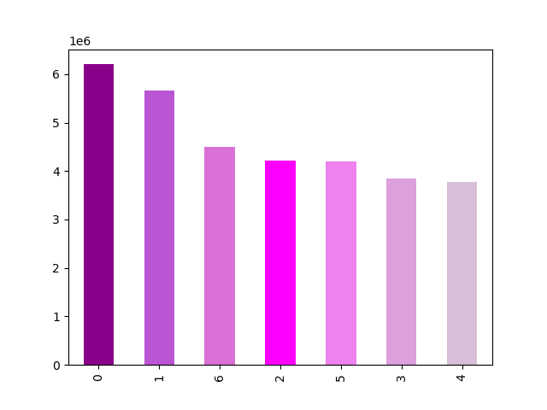
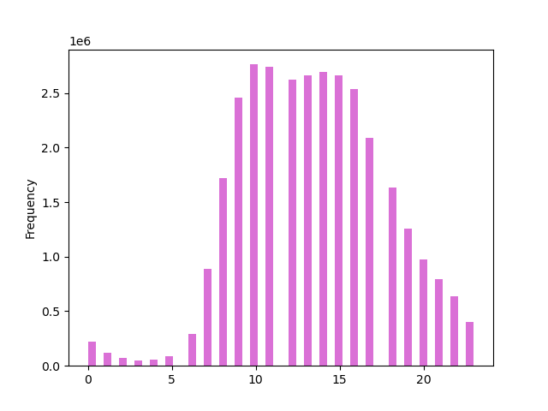

 |  |  |  | LEGENDS
 |  |  |  | 0 - Saturday
 |  |  |  | 1- Sunday
 |  |  |  | 2- Monday
FREQUENCY
 |  |  |  | 3- Tuesday
 |  |  |  | 4- Wednesday
 |  |  |  | 5- Thursday
 |  |  |  | 6- Friday

DAY OF WEEK
HOUR OF THE DAY (24hr Format)

The above bar chart represents the busiest days of the week . |  |  |  |  |  |  | The above histogram chart represents the busiest hours of the day.
0 represents Saturday as we can see it is the busiest day and Wednesday i.e., 4 is the least busy day in the week. |  |  |  |  |  |  | Customers places order 24/7, however, the frequency rises from 6 am reaching over 2.5 million orders at 9:00 am (9th hour) to 3:00 pm (15th hour).

High-volume activities are more prominent towards the end of the week, in which customers may plan weekend shopping on Saturdays, Sundays, and Fridays between 9 am-3 pm. While Monday through Thursday is the slowest days of the week hence working days. |  |  |  |  |  |  | The activities tend to drop dramatically at a later time of the day starting from 4:00 pm (16th hour) onwards.

2. Are particular times of the day when people spend the most money, as this might inform the type of products they advertise at these times?

 | CUSTOMER'S EXPENDITURE PER HOUR OF A DAY
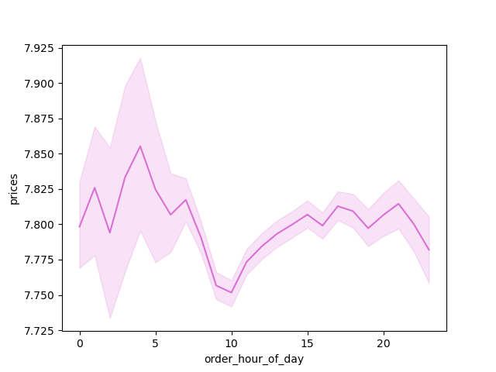

 |  |  |  |  |  | High-priced orders seem to peak on odd hours between 3 am to 2 am, 5 am then 4 pm. While purchases between these hours are likely to remain stagnant during the busiest hours (9 am-3 pm). This is mainly because the average price is influenced by the larger number of purchased items.

3. Instacart has a lot of products with different price tags. Marketing and sales want to use simpler price range groupings to help direct their efforts.

 | Department | High-range product | Low-range product | Mid-range product
 | alcohol | 0 | 9957 | 33332
 | babies | 0 | 36274 | 86446
 | bakery | 0 | 82536 | 253966
 | beverages | 0 | 244625 | 527906
 | breakfast | 0 | 62590 | 138632
 | bulk | 0 | 353 | 9702
 | canned goods | 0 | 84331 | 219510
 | dairy eggs | 0 | 410605 | 1141558 |  |  | TOTAL PRODUCTS BY PRICE RANGE
 | deli | 0 | 89841 | 211186
 | dry goods pasta | 0 | 85081 | 161726 |  |  | HIGH PRICE VALUE | MID PRICE VALUE | LOW PRICE VALUE
 | frozen | 0 | 194839 | 442574 |  |  | Meat Seafood | Produce | Produce
 | household | 0 | 73546 | 136693 |  |  | Dairy Eggs | Dairy Eggs | Dairy Eggs
 | international | 0 | 21902 | 54623 |  |  |  |  | Snacks
 | meat seafood | 117133 | 0 | 84814
 | missing | 0 | 5442 | 13831
 | other | 0 | 4555 | 5736
 | pantry | 83 | 150726 | 382797
 | personal care | 0 | 37260 | 89946
 | pets | 0 | 8536 | 19343
 | produce | 0 | 775295 | 1947444
 | snacks | 0 | 523972 | 307188

4. Are there certain types of products that are more popular than others? The marketing and sales teams want to know which departments have the highest frequency of product orders.

 | department | mean | min | max
 | alcohol | 0.589087297 | 0 | 1
 | babies | 0.591232073 | 0 | 1
 | bakery | 0.645116522 | 0 | 1
 | beverages | 0.66916538 | 0 | 1
 | breakfast | 0.577660494 | 0 | 1
 | bulk | 0.588662357 | 0 | 1
 | canned goods | 0.473132329 | 0 | 1
 | dairy eggs | 0.686689478 | 0 | 1 |  | POPULARITY OF PRODUCTS
 | deli | 0.624850927 | 0 | 1
 | dry goods pasta | 0.47953259 | 0 | 1 |  | MOST POPULAR | LEAST POPULAR
 | frozen | 0.558865288 | 0 | 1 |  | bakery | international
 | household | 0.419536813 | 0 | 1 |  | dairy eggs | pantry
 | international | 0.382110421 | 0 | 1 |  | deli | personal care
 | meat seafood | 0.584024521 | 0 | 1 |  | produce
 | missing | 0.409069683 | 0 | 1
 | other | 0.415994558 | 0 | 1
 | pantry | 0.359356904 | 0 | 1
 | personal care | 0.335652406 | 0 | 1
 | pets | 0.622117006 | 0 | 1
 | produce | 0.666600802 | 0 | 1
 | snacks | 0.589671062 | 0 | 1

5. The marketing and sales teams are particularly interested in the different types of customers in their system and how their ordering behaviors differ.

 | a. What’s the distribution among users in regards to their brand loyalty (i.e., how often do they return to Instacart)?

 |  | BRAND LOYALTY DISTRIBUTION |  |  |  |  | BRAND LOYALTY DISTRIBUTION BY ORDER FREQUECY
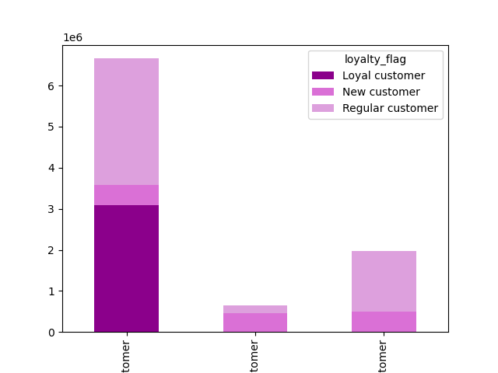
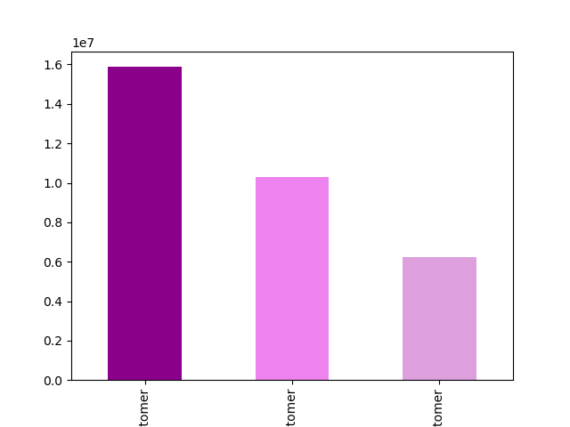

Total Customers (in million)
Order Frequency
 |  |  |  |  | LEGENDS |  |  |  |  |  | LEGENDS
 |  |  |  |  | REGULAR CUSTOMER |  |  |  |  |  | FREQUENT CUSTOMER
 |  |  |  |  | LOYAL CUSTOMER |  |  |  |  |  | NON- FREQUENT CUSTOMER
 |  |  |  |  | NEW CUSTOMER |  |  |  |  |  | REGULAR CUSTOMER

 |  | Most of the customers are regular customers. |  |  |  |  |  | Regular customers are widely spread in all three frequency levels however the majority of loyal customers seem to shop more frequently than others.

 |  | BRAND LOYALTY DISTRIBUTION BY AGE CATEGORY |  |  |  |  | BRAND LOYALTY DISTRIBUTION BY INCOME CATEGORY

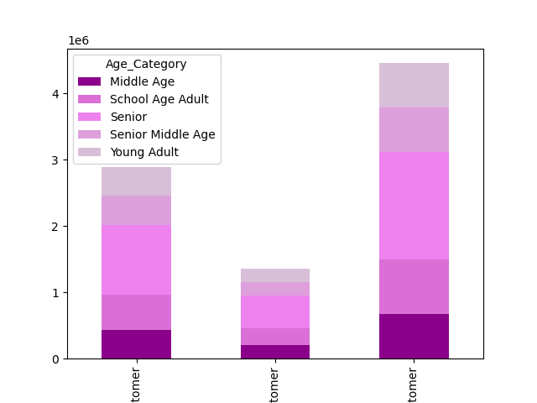
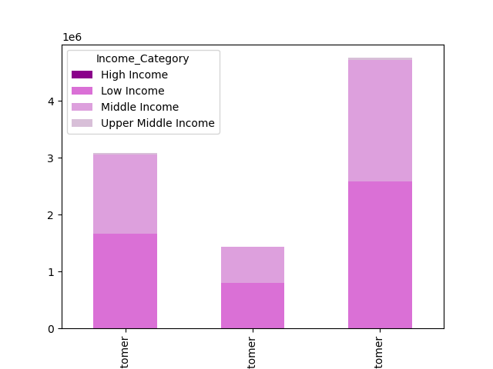

 |  |  |  |  | LEGENDS
 |  |  |  |  | LOYAL CUSTOMER |  |  |  |  |  | LEGENDS
 |  |  |  |  | NEW CUSTOMER |  |  |  |  |  | LOYAL CUSTOMER
Total Customers (in million)
 |  |  |  |  | REGULAR CUSTOMER |  |  |  |  |  | NEW CUSTOMER
 |  |  |  |  |  |  |  |  |  |  | REGULAR CUSTOMER

 |  | The Senior Age Category has most buyers |  |  |  |  |  | Based on the consumer salary per anum report, low-income and middle-income buyers are likely to take advantage of online grocery shopping services while upper-middle-income and high-income individuals are less likely to be customers.

 | BRAND LOYALTY DISTRIBUTION BY HOUSEHOLD STATUS CATEGORY |  |  |  |  |  | BRAND LOYALTY DISTRIBUTION BY VEGTARIAN STATUS CATEGORY

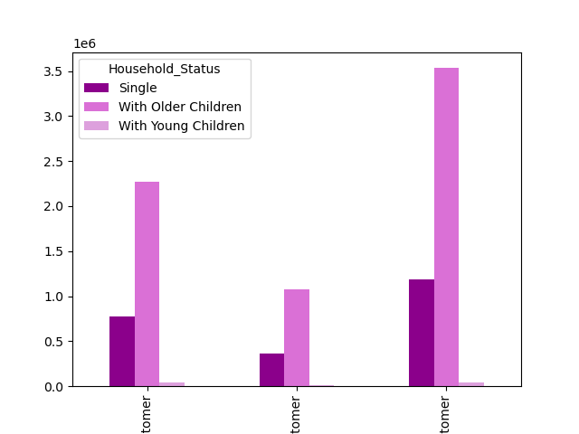
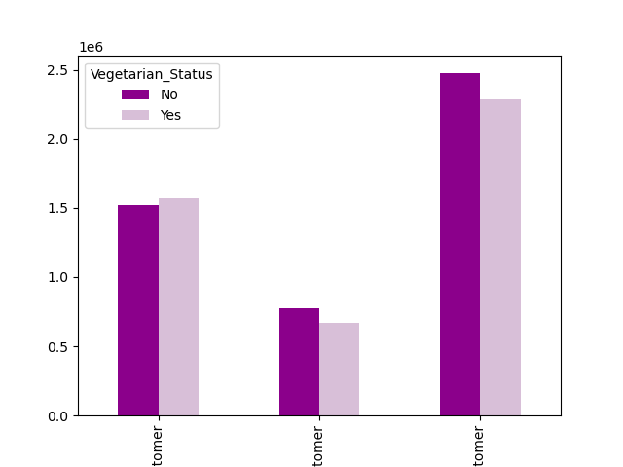

Total Household Status (in million)
 |  |  |  |  |  |  |  |  |  |  | LEGENDS
 |  |  |  |  | LEGENDS |  |  |  |  |  | LOYAL CUSTOMER
 |  |  |  |  | LOYAL CUSTOMER |  |  |  |  |  | NEW CUSTOMER
 |  |  |  |  | NEW CUSTOMER |  |  |  |  |  | REGULAR CUSTOMER
 |  |  |  |  | REGULAR CUSTOMER

 |  | It can be seen that most of the customers come from the household having older children. |  |  |  |  |  | Seem like customers are divided into two different food preferences, while it appears no significant changes in regular customers being the highest rank among the three levels.

 | b. Are there differences in ordering habits based on a customer's loyalty status?

 |  | BRAND LOYALTY DISTRIBUTION BY MOST POPULAR DEPARTMENTS |  |  |  |  | BRAND LOYALTY DISTRIBUTION BY SPENDING HABITS
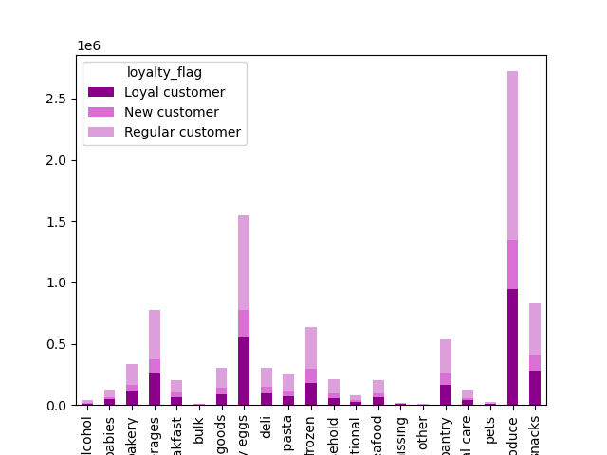

 |  |  |  |  |  |  | Price Range | Loyal customer | New customer | Regular customer
 |  |  |  |  |  |  | High-range product | 35262 | 19328 | 62626
 |  |  |  |  | LEGENDS |  | Low-range product | 965912 | 450160 | 1486194
 |  |  |  |  | alcohol |  | Mid-range product | 2084390 | 972457 | 3212106
 |  |  |  |  | babies |  | TOTAL | 3085564 | 1441945 | 4760926
 |  |  |  |  | bakery
 |  |  |  |  | beverages
 |  |  |  |  | breakfast |  | As we can see, the Regular customers contribute to the highest spending range. However, we can see that every customer category has been more inclined towards Mid- range products.
 |  |  |  |  | bulk
 |  |  |  |  | canned goods
 |  |  |  |  | dairy eggs
 |  |  |  |  | deli |  | spending_flag | Loyal customer | New customer | Regular customer
 |  |  |  |  | dry goods pasta |  | High spender | 64509 | 24725 | 89882
 |  |  |  |  | frozen |  | Low spender | 3021055 | 1417220 | 4671044
 |  |  |  |  | household |  | Total | 3085564 | 1441945 | 4760926
 |  |  |  |  | international
 |  |  |  |  | meat seafood |  | Regular customers are the highest spending category in both High-spender and Low- spender range.
 |  |  |  |  | missing
 |  |  |  |  | other
 |  |  |  |  | pantry
 |  |  |  |  | personal care
 |  |  |  |  | pets
 |  |  |  |  | produce
 |  |  |  |  | snacks

 |  | The bar chart shows that the produce department has registered the highest sale across all age groups followed by dairy eggs, snacks and beverages departments respectively.Most of customers for produce and dairy eggs departments are middle-aged adults followed by old adults and young adults.Most of the customers for the beverages department are middle-aged adults followed by young adults and old adults.

 | c. Are there differences in ordering habits based on a customer's region?

 |  | BRAND LOYALTY DISTRIBUTION BY REGION |  |  |  |  | PRODUCT DISTRIBUTION BY REGION
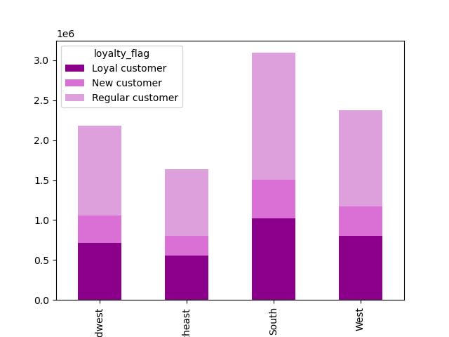
 |  |  |  |  |  |  |  |  |  | LEGENDS
 |  |  |  |  |  |  |  |  |  | alcohol
 |  |  |  |  |  |  |  |  |  | babies
 |  |  |  |  | LEGENDS |  |  |  |  | bakery
 |  |  |  |  | Midwest |  |  |  |  | beverages
 |  |  |  |  | Northeast |  |  |  |  | breakfast
 |  |  |  |  | South |  |  |  |  | bulk
Order Frequency
 |  |  |  |  | West |  |  |  |  | canned goods
 |  |  |  |  |  |  |  |  |  | dairy eggs
 |  |  |  |  |  |  |  |  |  | deli
 |  |  |  |  |  |  |  |  |  | dry goods pasta
 |  |  |  |  |  |  |  |  |  | frozen
 |  |  |  |  |  |  |  |  |  | household
 |  |  |  |  |  |  |  |  |  | international
 |  |  |  |  |  |  |  |  |  | meat seafood
 |  |  |  |  |  |  |  |  |  | missing
 |  |  |  |  |  |  |  |  |  | other
 |  |  |  |  |  |  |  |  |  | pantry
 |  |  |  |  |  |  |  |  |  | personal care
 |  |  |  |  |  |  |  |  |  | pets
 |  |  |  |  |  |  |  |  |  | produce
 |  |  |  |  |  |  |  |  |  | snacks

 |  | Higher concentration of the customers is seen in the South region having Regular Customers in a larger number. |  |  |  |  | Customers' product purchases based on region seem to demonstrate a similar buying pattern with buyers' loyalty statuses. We can see that PRODUCE items are the most bought products followed by dairy eggs, snacks, beverages, frozen and pantry.

 | d. Is there a connection between age and family status in terms of ordering habits?

 |  | RELATIONSHIP BETWEEN AGE AND NO. OF DEPENDANTS |  |  |  |  | RELATIONSHIP BETWEEN AGE AND INCOME

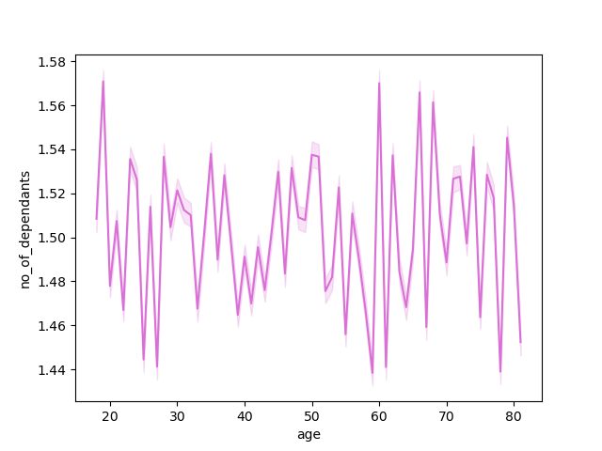
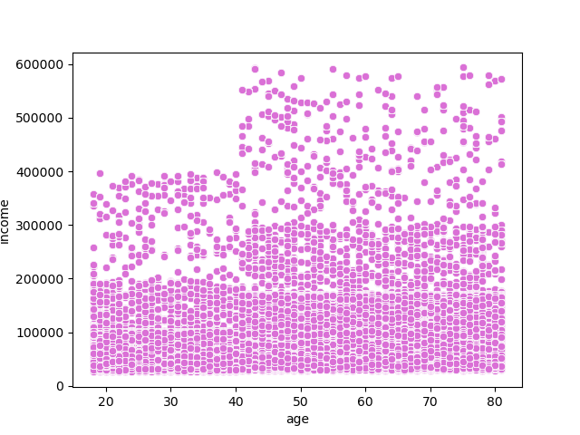

 |  |  |  |  |  |  | The correlation between spending power (income) and age group, is as follows:
 |  | There's no clear relationship between Age and No. of Dependants which means, the combination of these two variables doesn't have an impact on customer's spending habits. |  |  |  |  | The customers between the ages of 20 - 39 are split between three different income groups Low income: 0 - 100,000 USD Middle income: 100,001 - 200,000 USD High income: 200.001 - 400,000 USD

 |  |  |  |  |  |  | The spending power rises as age matures making customers in their 40s and older have higher income however, splitting into four groups: Low income: 0 - 100,000 USD Middle income: 100,001 - 200,000 USD Upper Middle income: 200.001 - 400,000 USD High income: 400,001 USD & above

 |  |  |  |  |  |  | In spite of the age differences, looking at the scatterplot as a whole, the majority of the customers' income is much more concentrated below 200,000 USD thus, spending power for the entire customer population is mostly at the lower range.

 | e. What different classifications does the demographic information suggest? Age? Income? Certain types of food? Family status?e you can think of.
 | f. What differences can you find in ordering habits of different customer profiles? Consider the price of orders, the frequency of orders, the products customers are ordering, and anything else you can think of.

 | AGE CATEGORY

 | ORDER FREQUENCY PER DAY |  |  |  |  |  | ORDER FREQUENCY PER HOUR OF A DAY
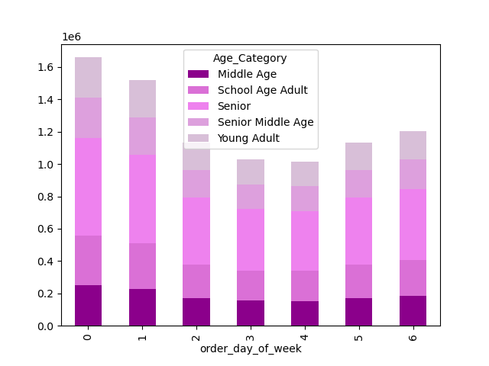
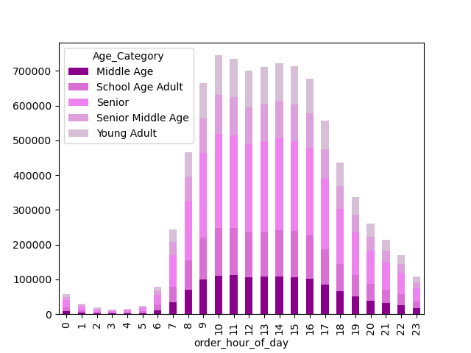

 |  |  |  |  | LEGENDS
 |  |  |  |  | School Age Adult: 18-29
 |  |  |  |  | Young Adult: 30-39
 |  |  |  |  | Middle Age: 40- 49
 |  |  |  |  | Senior Middle Age: 50- 59
 |  |  |  |  | Senior: 60 & above

 |  | As determined earlier, purchases are mostly from the Senior, age category, the above chart displays the ordering pattern per day. Assuming most of the senior customers are retired they tend to order throughout the week. |  |  |  |  | Senior customers appear to purchase at 7 am and begin to spread out in all age groups at 8 am. Buying patterns in this chart demonstrate the preferred hours of each age category. Middle age, school age, and senior middle age adults are more likely to place orders at 8 am and young adults at 9 am.

 | INCOME CATEGORY

 |  | DISTRIBUTION PER AGE CATEGORY |  |  |  |  | DISTRIBUTION PER REGION
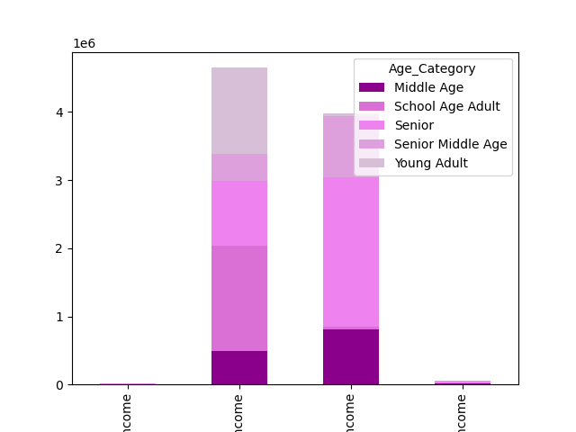
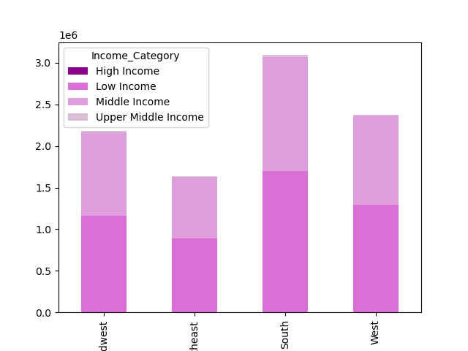

 |  |  |  |  | LEGENDS |  |  |  |  | LEGENDS
 |  |  |  |  | Low Income |  |  |  |  | Midwest
 |  |  |  |  | Middle Income |  |  |  |  | Northeast
 |  |  |  |  | Upper Middle Income |  |  |  |  | South
 |  |  |  |  | High Income |  |  |  |  | West

 |  |  |  |  | LEGENDS
 |  |  |  |  | School Age Adult: 18-29
 |  |  |  |  | Young Adult: 30-39
 |  |  |  |  | Middle Age: 40- 49
 |  |  |  |  | Senior Middle Age: 50- 59
 |  |  |  |  | Senior: 60 & above

 |  | Most customers who purchase products have low incomes while few of them are school-age adults. Conversely, higher concentration of middle-income buyers are senior customers. |  |  |  |  | It appears that both low and middle income customers are widely spread in all regions.

 |  | HOUSEHOLD STATUS CATEGORY

 |  | DISTRIBUTION PER INCOME CATEGORY |  |  |  |  | ORDER FREQUENCY PER HOUR OF A DAY
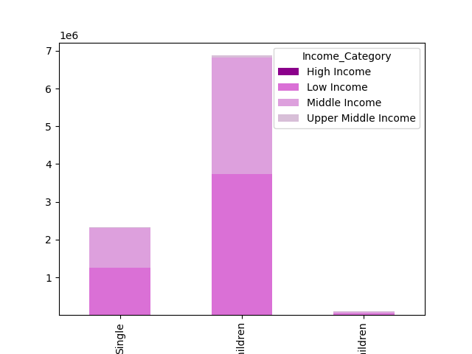
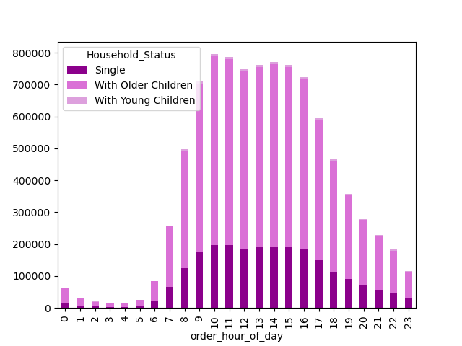

 |  |  |  |  | Household Status
 |  |  |  |  | Single
 |  |  |  |  | With Older Children
 |  |  |  |  | With Young Children

 |  | Household status based on income category determines customers' purchasing power. It appears that most are low income families that have older children living in their homes while middle income is the next big segment that makes up the majority of the customer base salary groups. |  |  |  |  | High-traffic activities are likely from households with older children while single customers are at a lower range and families with younger children have minimal impact.

 |  | VEGETARIAN STATUS CATEGORY

 |  | ORDER FREQUENCY PER DAY |  |  |  |  | DISTRIBUTION PER REGION
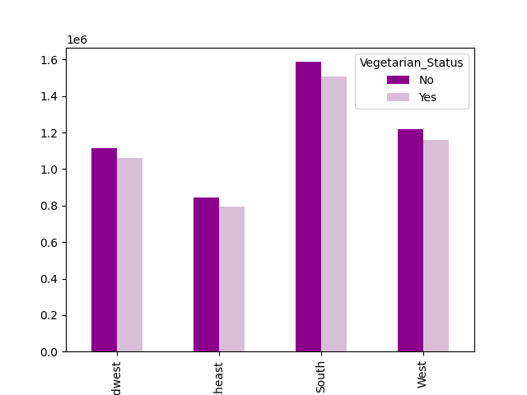
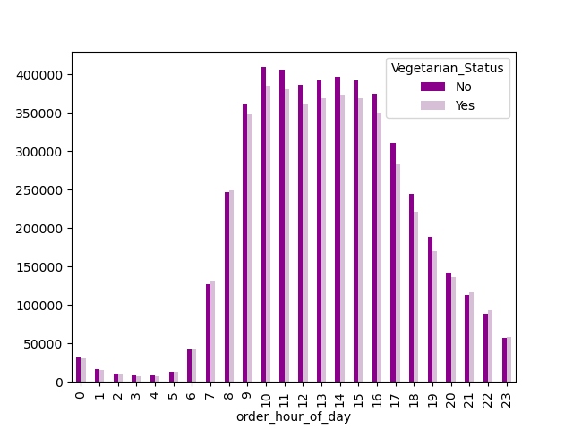

 |  |  |  |  |  |  |  |  |  | LEGENDS
 |  |  |  |  |  |  |  |  |  | Midwest
 |  |  |  |  |  |  |  |  |  | Northeast
 |  |  |  |  |  |  |  |  |  | South
 |  |  |  |  |  |  |  |  |  | West

 |  | Non-vegetarian customers tend to place orders at 6 am and the activity increase up to 4 pm while vegetarian shares a similar pattern. |  |  |  |  | Customers' food preferences based on a vegetarian status seem to have a proportional distribution amongst all regions.

7. Recommendations
 |  |  |  |  |  |  |  |  | Title page

Recommendations

In this tab you should include any recommendations you would made to Instcart in terms of their marketing strategy based on the questions posed in the brief. Every key question has been covered in the Tasks of the Exercises - here you need to add an item - a visualisation or table/crosstable that is showing the answer in the data, acompanied by a comment from you. Please, list the questions below and add the answer underneath.

Question | Answer

Key Question 1. The sales team needs to know what the busiest days of the week and hours of the day are (i.e., the days and times with the most orders) in order to schedule ads at times when there are fewer orders. | High-volume activities are more prominent towards the end of the week, in which customers may plan weekend shopping between 9 am-3 pm. Saturday, Sunday and Friday are the days with significant transactions in their respective order. To optimize advertising campaign efficacy, it is best to schedule advertisements around and during the peak hours specifically Saturdays at 2 pm, Sundays at 10 am, and Fridays at 2 pm. Customers on these set hours will likely see potential product items for their next purchases.

Order Frequency per Hour of a day
 | Hour of Day | Saturday | Sunday | Monday | Tuesday | Wednesday | Thursday | Friday
 | 0 | 11130 | 10586 | 8426 | 7890 | 6977 | 8297 | 8873
 | 1 | 6359 | 5306 | 4125 | 3735 | 3874 | 4280 | 5105
 | 2 | 3730 | 3001 | 2426 | 2368 | 2232 | 2677 | 3219
 | 3 | 2544 | 2046 | 1991 | 1599 | 1819 | 2417 | 2258
 | 4 | 2388 | 2215 | 1938 | 1894 | 2009 | 2460 | 2315
 | 5 | 3402 | 4114 | 3725 | 3319 | 3526 | 4315 | 3124
 | 6 | 10188 | 15254 | 12750 | 11849 | 11442 | 13355 | 9228
 | 7 | 38894 | 47946 | 35489 | 32122 | 32771 | 37550 | 34101
 | 8 | 88183 | 96564 | 64260 | 57243 | 56316 | 64983 | 68926
 | 9 | 127183 | 147126 | 95107 | 80564 | 77639 | 90504 | 91190
 | 10 | 147912 | 158491 | 103582 | 90308 | 87983 | 102769 | 104077
 | 11 | 152745 | 147369 | 101029 | 88849 | 86480 | 101816 | 107580
 | 12 | 152319 | 132515 | 94436 | 84798 | 82704 | 95486 | 106240
 | 13 | 158428 | 131438 | 95584 | 86462 | 84390 | 95945 | 108871
 | 14 | 161053 | 129533 | 96366 | 87453 | 85275 | 99383 | 111227
 | 15 | 157144 | 126371 | 95465 | 89995 | 85748 | 98815 | 107843
 | 16 | 142242 | 119513 | 94564 | 87955 | 85152 | 93989 | 100776
 | 17 | 112207 | 96049 | 79086 | 74082 | 72379 | 77130 | 82861
 | 18 | 80967 | 73200 | 64151 | 60820 | 58940 | 62232 | 65133
 | 19 | 62015 | 55894 | 48538 | 46595 | 48486 | 47622 | 49286
 | 20 | 52701 | 43300 | 37180 | 34816 | 37309 | 36068 | 37615
 | 21 | 43768 | 34685 | 29412 | 28969 | 31094 | 28691 | 32720
 | 22 | 34800 | 26245 | 23119 | 23226 | 25770 | 22723 | 26438
 | 23 | 20332 | 16291 | 14903 | 14175 | 15627 | 15534 | 18022
 | TOTAL | 1772634 | 1625052 | 1207652 | 1101086 | 1085942 | 1209041 | 1287028

Key Question 2. Are particular times of the day when people spend the most money, as this might inform the type of products they advertise at these times? | High-priced orders seem to peak on odd hours between 3 am to 2 am, 5 am then 4 pm. While purchases between these hours are likely to remain stagnant during the busiest hours (9 am-3 pm). This is mainly because the average price is influenced by the larger number of purchased items.

Order Hour Chart
 | hour of day | Orders
 | 0 | 62179
 | 1 | 32784
 | 2 | 19653
 | 3 | 14674
 | 4 | 15219
 | 5 | 25525
 | 6 | 84066
 | 7 | 258873
 | 8 | 496475
 | 9 | 709313
 | 10 | 795122
 | 11 | 785868
 | 12 | 748498
 | 13 | 761118
 | 14 | 770290
 | 15 | 761381
 | 16 | 724191
 | 17 | 593794
 | 18 | 465443
 | 19 | 358436
 | 20 | 278989
 | 21 | 229339
 | 22 | 182321
 | 23 | 114884

Key Question 3. Instacart has a lot of products with different price tags. Marketing and sales want to use simpler price range groupings to help direct their efforts. | While there's a larger number of selections under mid-range products, it is the most favorably priced goods (figure 3b). Dairy eggs, the second fast-moving consumables have wider options while produce, a top-seller, offers two price points. Leveraging on mid-range goods can help move high (and/or low) price brands by offering bulk order discounts (price cuts). Honoring price reduction with a purchase of bigger ticket item(s) will gain sales on high-priced goods without the risk of losing profit, allowing the customers to experience premium brands with good deals. Another promotional concept to consider is seasonal bargains, it can also drive the demands while supplies change over time (i.e. pumpkins, baked goods for holidays, etc.).

 | Department | High-range product | Low-range product | Mid-range product
 | alcohol | 0 | 9957 | 33332
 | babies | 0 | 36274 | 86446
Range of products by price
 | bakery | 0 | 82536 | 253966
 | beverages | 0 | 244625 | 527906
 | breakfast | 0 | 62590 | 138632
 | bulk | 0 | 353 | 9702
 | canned goods | 0 | 84331 | 219510
 | dairy eggs | 0 | 410605 | 1141558
 | deli | 0 | 89841 | 211186
 | dry goods pasta | 0 | 85081 | 161726
 | frozen | 0 | 194839 | 442574
 | household | 0 | 73546 | 136693
 | international | 0 | 21902 | 54623
 | meat seafood | 117133 | 0 | 84814
 | missing | 0 | 5442 | 13831
 | other | 0 | 4555 | 5736
 | pantry | 83 | 150726 | 382797
 | personal care | 0 | 37260 | 89946
 | pets | 0 | 8536 | 19343
 | produce | 0 | 775295 | 1947444
 | snacks | 0 | 523972 | 307188
 | TOTAL | 117216 | 2902266 | 6268953

Key Question 4. Are there certain types of products that are more popular than others? The marketing and sales teams want to know which departments have the highest frequency of product orders. | On average, the consumers' ordering habits of the popular goods change in rank (in key question 2) because the restocking patterns are based on consumption. The top 5 are highly consumable items, which most customers purchase at a higher frequency rate as opposed to low-selling products with longer shelf lives. Hence, the pantry brands that belong to the top 6 (in key question 2) - most bought items, fell at the bottom of the reordering lists while fresh food and drinkable selections such as dairy eggs, beverages, bakery and deli are at the top of the list. To increase sales on low-selling brands, utilizing ad suggestions upon checkout as additional items to the cart will increase movements from these departments.

Oder Frequency per Produce %
 | department | mean
 | dairy eggs | 69%
 | beverages | 67%
 | produce | 67%
 | bakery | 65%
 | deli | 63%
 | pets | 63%
 | babies | 60%
 | alcohol | 59%
 | bulk | 59%
 | meat seafood | 59%
 | snacks | 59%
 | breakfast | 58%
 | frozen | 56%
 | canned goods | 48%
 | dry goods pasta | 48%
 | household | 42%
 | other | 42%
 | missing | 41%
 | international | 39%
 | pantry | 36%
 | personal care | 34%

Key Question 5. What’s the distribution among users in regards to their brand loyalty (i.e., how often do they return to Instacart)? | The largest portion of users is regular customers which make up 1% shy of half of the total sum, loyal buyers are the second biggest, and new buyers are the smallest segment. Although their loyalty status may be different by the volume of orders per transaction, 68% of overall customers are frequent shoppers. Almost all (99%) of loyal customers are frequent shoppers which make up 48% while the other divisions are 45% regulars and 6% new.The distribution of frequent buyers is widely spread out in age, household and income status. In the age group (figure 5b), 36% are seniors - 60 and older, utilizing online grocery services while the other two leading categories are within school age (18 to 29) and middle age (40 to 49) respectively. Seniors are likely to visit regularly for convenience - fewer trips and no waiting in line. School-age adults are half the size of seniors and middle age is 8% less, but both younger age groups may have more active lifestyles, thus shopping opportunities are planned during the week to fit into their very busy schedules. Additionally, families with older children are proactively restocking food products and other household needs. With multiple family members living in one home, there's a higher possibility that consumables are quickly replenished thus, ordering more products by demand. Furthermore, income plays a big role in purchase decisions for every household. Most of these families belong to low and middle-income groups (figure 5c). In consideration of the users' different profiles, each has unique needs and order frequency varies on lifestyle and budget. As such, offering promos like price discounts, and loyalty rewards by point system (i.e. low range = 10 pts; mid-range = 15 pts) that is tailored to their needs can contribute to maintaining existing frequent buyers as well as upgrade non-frequent members to higher loyalty status. Advertising through different platforms such as Facebook, YouTube, TikTok, Google, etc. can reach you

ORDER FREQUENCY

 | Order Frequency | Loyal customer | New customer | Regular customer | TOTAL | Overall %
 | Frequent customer | 3084810 | 497868 | 3078680 | 6661358 | 72%
 | Non-frequent customer | 0 | 458226 | 198139 | 656365 | 7%
 | Regular customer | 754 | 485851 | 1484107 | 1970712 | 21%
 | TOTAL | 3085564 | 1441945 | 4760926 | 9288435 | 100%

Department by Age Category
 | department | Middle Age | School Age Adult | Senior | Senior Middle Age | Young Adult
 | alcohol | 5894 | 7772 | 14138 | 6194 | 6280
 | babies | 17735 | 21486 | 41703 | 17172 | 16592
 | bakery | 47549 | 57782 | 114901 | 47897 | 47543
 | beverages | 108865 | 131063 | 265641 | 109738 | 107757
 | breakfast | 28325 | 35483 | 68340 | 28444 | 28200
 | bulk | 1526 | 1791 | 3400 | 1354 | 1405
 | canned goods | 42337 | 52869 | 103507 | 43012 | 42478
 | dairy eggs | 219145 | 267645 | 528480 | 216489 | 221199
 | deli | 42500 | 51811 | 103129 | 42186 | 42443
 | dry goods pasta | 34379 | 42855 | 84045 | 35437 | 34459
 | frozen | 90007 | 108809 | 219171 | 90112 | 88827
 | household | 29836 | 35671 | 72225 | 29579 | 29280
 | international | 10973 | 13156 | 25934 | 10604 | 10888
 | meat seafood | 28525 | 34639 | 69665 | 28492 | 28302
 | missing | 2781 | 3342 | 6494 | 2624 | 2716
 | other | 1391 | 1845 | 3486 | 1457 | 1418
 | pantry | 75519 | 91667 | 182245 | 75334 | 74329
 | personal care | 18091 | 22036 | 43229 | 18086 | 17544
 | pets | 3996 | 4947 | 9508 | 4037 | 3726
 | produce | 385425 | 467265 | 930473 | 382094 | 384867
 | snacks | 116293 | 143159 | 282029 | 118697 | 117818

 | loyalty_flag | High Income | Low Income | Middle Income | Upper Middle Income
 | Loyal customer | 4898 | 1658209 | 1397535 | 24922
 | New customer | 1110 | 798350 | 637461 | 5024
 | Regular customer | 7933 | 2571555 | 2149716 | 31722

Income by Household

 | Household_Status | High Income | Low Income | Middle Income | Upper Middle Income
 | Single | 3614 | 1250916 | 1049809 | 15656
 | With Older Children | 10265 | 3729644 | 3091045 | 45589
 | With Young Children | 62 | 47554 | 43858 | 423

Key Question 6. Are there differences in ordering habits based on a customer's loyalty status? | There are no significant differences among all loyalty statuses, however, they share the same spending trends. In addition to mid-range products as a favorable price bracket for most consumers, brand names that carry items less than $10 and are likely to move faster than the higher price tags. Thus, middle and low-income clients (from key question 5) are drawn to budget-friendly products.

Range of product by Customer's Loyalty
Spending by Customer's Loyalty
 | spending_flag | Loyal customer | New customer | Regular customer
 | High spender | 64509 | 24725 | 89882
 | Low spender | 3021055 | 1417220 | 4671044
 | Total | 3085564 | 1441945 | 4760926

 | Price Range | Loyal customer | New customer | Regular customer
 | High-range product | 35262 | 19328 | 62626
 | Low-range product | 965912 | 450160 | 1486194
 | Mid-range product | 2084390 | 972457 | 3212106
 | TOTAL | 3085564 | 1441945 | 4760926

Key Question 7. Are there differences in ordering habits based on a customer's region? | Higher concentration of the customers is seen in the South region having Regular Customers in a larger number. Customers' product purchases based on region seem to demonstrate a similar buying pattern with buyers' loyalty statuses. We can see that PRODUCE items are the most bought products followed by dairy eggs, snacks, beverages, frozen and pantry.

Department Frequency by Region
 | department | Midwest | Northeast | South | West
 | alcohol | 10140 | 7494 | 14523 | 11132
 | babies | 28458 | 21874 | 41602 | 30786
 | bakery | 78347 | 59809 | 111578 | 86768
 | beverages | 179887 | 139181 | 257999 | 195464
 | breakfast | 46654 | 35428 | 66963 | 52177
 | bulk | 2411 | 1677 | 3310 | 2657
 | canned goods | 71313 | 53134 | 101120 | 78274
 | dairy eggs | 362812 | 274450 | 516855 | 398046
 | deli | 70193 | 53529 | 100188 | 77117
 | dry goods pasta | 58156 | 43007 | 81890 | 63754
 | frozen | 149662 | 111336 | 213350 | 163065
 | household | 50122 | 37407 | 69162 | 53548
 | international | 18216 | 13394 | 25333 | 19582
 | meat seafood | 46962 | 35478 | 67563 | 51944
 | missing | 4628 | 3474 | 6479 | 4692
 | other | 2411 | 1829 | 3493 | 2558
 | pantry | 126051 | 93782 | 176932 | 136841
 | personal care | 30183 | 22303 | 42795 | 31925
 | pets | 6355 | 5309 | 8989 | 7226
 | produce | 641759 | 476850 | 907277 | 696853
 | snacks | 193827 | 147746 | 276054 | 213533
 | Total | 2178547 | 1638491 | 3093455 | 2377942

Key Question 8. Is there a connection between age and family status in terms of ordering habits? | There's no clear relationship between Age and No. of Dependants which means, the combination of these two variables doesn't have an impact on customer's spending habits.The correlation between spending power (income) and age group, is as follows: The customers between the ages of 20 - 39 are split between three different income groups Low income: 0 - 100,000 USD Middle income: 100,001 - 200,000 USD High income: 200.001 - 400,000 USD The spending power rises as age matures making customers in their 40s and older have higher income however, splitting into four groups: Low income: 0 - 100,000 USD Middle income: 100,001 - 200,000 USD Upper Middle income: 200.001 - 400,000 USD

Age by Income
 | Income_Category | Middle Age | School Age Adult | Senior | Senior Middle Age | Young Adult
 | High Income | 3712 | 0 | 7271 | 1799 | 0
 | Low Income | 488866 | 1546569 | 953021 | 396639 | 1265626
 | Middle Income | 807159 | 44985 | 2185983 | 901497 | 37437
 | Upper Middle Income | 11355 | 5539 | 25468 | 9104 | 5008

